Detailed Investigation Result
Detailed Investigation Result

 | SOURCE_CODE | ORGANIZATION_CODE | ORGANIZATION_ID | ASSEMBLY_CODE | ASSEMBLY_ID | CLASS_CODE | JOB_NAME | QUANTITY | COMPLETION_DATE | ALTERNATE_ROUTING_DESIGNATOR | ALTERNATE_BOM_DESIGNATOR | ATTRIBUTE1 | ATTRIBUTE2 | ATTRIBUTE3 | ATTRIBUTE4 | ATTRIBUTE5 | ATTRIBUTE6 | ATTRIBUTE7 | ATTRIBUTE8 | ATTRIBUTE9 | ATTRIBUTE10 | CREATION_DATE | UPDATE_DATE | PROCESS_FLAG | ERROR_MESSAGE
 | SOURCE_CODE | ORGANIZATION_CODE | ORGANIZATION_ID | ASSEMBLY_CODE | ASSEMBLY_ID | CLASS_CODE | JOB_NAME | QUANTITY | COMPLETION_DATE | ALTERNATE_ROUTING_DESIGNATOR | ALTERNATE_BOM_DESIGNATOR | ATTRIBUTE1 | ATTRIBUTE2 | ATTRIBUTE3 | ATTRIBUTE4 | ATTRIBUTE5 | ATTRIBUTE6 | ATTRIBUTE7 | ATTRIBUTE8 | ATTRIBUTE9 | ATTRIBUTE10 | CREATION_DATE | UPDATE_DATE | PROCESS_FLAG | ERROR_MESSAGE
 | TIPWIPS020 | ESD | 125 | SDFUS86DAB01TG0T | 3757005 | Standard | ESD00298151 | 210 | 6/29/21 | MPL | MPL | ESDLINE |  |  |  |  |  |  |  |  |  | 6/29/21 | 6/29/21 | 9 | No operation sequence found for (ESD00298151).
 | TIPWIPS020 | ESD | 125 | SDFSU83GEB02T80T | 3709748 | Standard | ESD00298152 | 60 | 6/29/21 | MPL | MPL | ESDLINE |  |  |  |  |  |  |  |  |  | 6/29/21 | 6/29/21 | 9 | No operation sequence found for (ESD00298152).
 | TIPWIPS020 | ESD | 125 | SDFUS85DAB01TE0T | 3757003 | Standard | ESD00298153 | 90 | 6/29/21 | MPL | MPL | ESDLINE |  |  |  |  |  |  |  |  |  | 6/29/21 | 6/29/21 | 9 | No operation sequence found for (ESD00298153).
 | TIPWIPS020 | ESD | 125 | SDFUS84DAB01TC0T | 3756997 | Standard | ESD00298154 | 180 | 6/29/21 | MPL | MPL | ESDLINE |  |  |  |  |  |  |  |  |  | 6/29/21 | 6/29/21 | 9 | No operation sequence found for (ESD00298154).

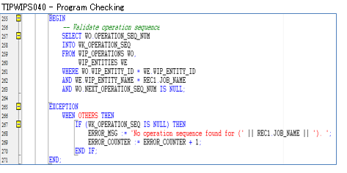

 | SELECT WO.*
 | FROM WIP_OPERATIONS WO,
 | WIP_ENTITIES WE
 | WHERE WO.WIP_ENTITY_ID = WE.WIP_ENTITY_ID
 | AND WE.WIP_ENTITY_NAME IN (SELECT job_name
 | FROM TIP_SSDMO_INTERFACE
 | WHERE process_flag = '9')
 | AND WO.NEXT_OPERATION_SEQ_NUM IS NULL;

 | WIP_OPERATIONS

 | WIP_ENTITY_ID | OPERATION_SEQ_NUM | ORGANIZATION_ID | REPETITIVE_SCHEDULE_ID | LAST_UPDATE_DATE | LAST_UPDATED_BY | CREATION_DATE | CREATED_BY | LAST_UPDATE_LOGIN | REQUEST_ID | PROGRAM_APPLICATION_ID | PROGRAM_ID | PROGRAM_UPDATE_DATE | OPERATION_SEQUENCE_ID | STANDARD_OPERATION_ID | DEPARTMENT_ID | DESCRIPTION | SCHEDULED_QUANTITY | QUANTITY_IN_QUEUE | QUANTITY_RUNNING | QUANTITY_WAITING_TO_MOVE | QUANTITY_REJECTED | QUANTITY_SCRAPPED | QUANTITY_COMPLETED | FIRST_UNIT_START_DATE | FIRST_UNIT_COMPLETION_DATE | LAST_UNIT_START_DATE | LAST_UNIT_COMPLETION_DATE | PREVIOUS_OPERATION_SEQ_NUM | NEXT_OPERATION_SEQ_NUM | COUNT_POINT_TYPE | BACKFLUSH_FLAG | MINIMUM_TRANSFER_QUANTITY | DATE_LAST_MOVED | ATTRIBUTE_CATEGORY | ATTRIBUTE1 | ATTRIBUTE2 | ATTRIBUTE3 | ATTRIBUTE4 | ATTRIBUTE5 | ATTRIBUTE6 | ATTRIBUTE7 | ATTRIBUTE8 | ATTRIBUTE9 | ATTRIBUTE10 | ATTRIBUTE11 | ATTRIBUTE12 | ATTRIBUTE13 | ATTRIBUTE14 | ATTRIBUTE15 | WF_ITEMTYPE | WF_ITEMKEY | OPERATION_YIELD | OPERATION_YIELD_ENABLED | PRE_SPLIT_QUANTITY | OPERATION_COMPLETED | SHUTDOWN_TYPE | X_POS | Y_POS | PREVIOUS_OPERATION_SEQ_ID | SKIP_FLAG | LONG_DESCRIPTION | CUMULATIVE_SCRAP_QUANTITY | DISABLE_DATE | RECOMMENDED | PROGRESS_PERCENTAGE | WSM_OP_SEQ_NUM | WSM_BONUS_QUANTITY | EMPLOYEE_ID | ACTUAL_START_DATE | ACTUAL_COMPLETION_DATE | PROJECTED_COMPLETION_DATE | WSM_UPDATE_QUANTITY_TXN_ID | WSM_COSTED_QUANTITY_COMPLETED | LOWEST_ACCEPTABLE_YIELD | CHECK_SKILL
 | 12201761 | 10 | 125 |  | 6/29/21 | 4862 | 6/29/21 | 4862 | 47385415 | 45995209 | 706 | 35740 | 6/29/21 | 3097357 |  | 3 |  | 210 | 210 | 0 | 0 | 0 | 0 | 0 | 6/29/21 | 6/29/21 | 6/29/21 | 6/29/21 |  |  | 1 | 1 | 0 |  |  |  |  |  |  |  |  |  |  |  |  |  |  |  |  |  |  |  |  |  |  |  |  |  |  |  |  |  | 0 |  |  |  |  |  |  |  |  |  |  |  |  | 2
 | 12201762 | 10 | 125 |  | 6/29/21 | 4862 | 6/29/21 | 4862 | 47385415 | 45995209 | 706 | 35740 | 6/29/21 | 3057849 |  | 3 |  | 60 | 60 | 0 | 0 | 0 | 0 | 0 | 6/29/21 | 6/29/21 | 6/29/21 | 6/29/21 |  |  | 1 | 1 | 0 |  |  |  |  |  |  |  |  |  |  |  |  |  |  |  |  |  |  |  |  |  |  |  |  |  |  |  |  |  | 0 |  |  |  |  |  |  |  |  |  |  |  |  | 2
 | 12201763 | 10 | 125 |  | 6/29/21 | 4862 | 6/29/21 | 4862 | 47385415 | 45995209 | 706 | 35740 | 6/29/21 | 3097355 |  | 3 |  | 90 | 90 | 0 | 0 | 0 | 0 | 0 | 6/29/21 | 6/29/21 | 6/29/21 | 6/29/21 |  |  | 1 | 1 | 0 |  |  |  |  |  |  |  |  |  |  |  |  |  |  |  |  |  |  |  |  |  |  |  |  |  |  |  |  |  | 0 |  |  |  |  |  |  |  |  |  |  |  |  | 2
 | 12201764 | 10 | 125 |  | 6/29/21 | 4862 | 6/29/21 | 4862 | 47385415 | 45995209 | 706 | 35740 | 6/29/21 | 3097353 |  | 3 |  | 180 | 180 | 0 | 0 | 0 | 0 | 0 | 6/29/21 | 6/29/21 | 6/29/21 | 6/29/21 |  |  | 1 | 1 | 0 |  |  |  |  |  |  |  |  |  |  |  |  |  |  |  |  |  |  |  |  |  |  |  |  |  |  |  |  |  | 0 |  |  |  |  |  |  |  |  |  |  |  |  | 2

 | SELECT WE.*
 | FROM WIP_OPERATIONS WO,
 | WIP_ENTITIES WE
 | WHERE WO.WIP_ENTITY_ID = WE.WIP_ENTITY_ID
 | AND WE.WIP_ENTITY_NAME IN (SELECT job_name
 | FROM TIP_SSDMO_INTERFACE
 | WHERE process_flag = '9')
 | AND WO.NEXT_OPERATION_SEQ_NUM IS NULL;

 | WIP_ENTITIES

 | WIP_ENTITY_ID | ORGANIZATION_ID | LAST_UPDATE_DATE | LAST_UPDATED_BY | CREATION_DATE | CREATED_BY | LAST_UPDATE_LOGIN | REQUEST_ID | PROGRAM_APPLICATION_ID | PROGRAM_ID | PROGRAM_UPDATE_DATE | WIP_ENTITY_NAME | ENTITY_TYPE | DESCRIPTION | PRIMARY_ITEM_ID | GEN_OBJECT_ID
 | WIP_ENTITY_ID | ORGANIZATION_ID | LAST_UPDATE_DATE | LAST_UPDATED_BY | CREATION_DATE | CREATED_BY | LAST_UPDATE_LOGIN | REQUEST_ID | PROGRAM_APPLICATION_ID | PROGRAM_ID | PROGRAM_UPDATE_DATE | WIP_ENTITY_NAME | ENTITY_TYPE | DESCRIPTION | PRIMARY_ITEM_ID | GEN_OBJECT_ID
 | 12201761 | 125 | 6/29/21 | 4862 | 6/29/21 | 4862 |  | 45995209 | 706 | 35740 | 6/29/21 | ESD00298151 | 1 | Job Mass Loaded on 29-JUN-2021 14:42:31 (server timezone) | 3757005 | 14824959
 | 12201762 | 125 | 6/29/21 | 4862 | 6/29/21 | 4862 |  | 45995209 | 706 | 35740 | 6/29/21 | ESD00298152 | 1 | Job Mass Loaded on 29-JUN-2021 14:42:31 (server timezone) | 3709748 | 14824960
 | 12201763 | 125 | 6/29/21 | 4862 | 6/29/21 | 4862 |  | 45995209 | 706 | 35740 | 6/29/21 | ESD00298153 | 1 | Job Mass Loaded on 29-JUN-2021 14:42:31 (server timezone) | 3757003 | 14824961
 | 12201764 | 125 | 6/29/21 | 4862 | 6/29/21 | 4862 |  | 45995209 | 706 | 35740 | 6/29/21 | ESD00298154 | 1 | Job Mass Loaded on 29-JUN-2021 14:42:31 (server timezone) | 3756997 | 14824962

Actual Operation Evidence
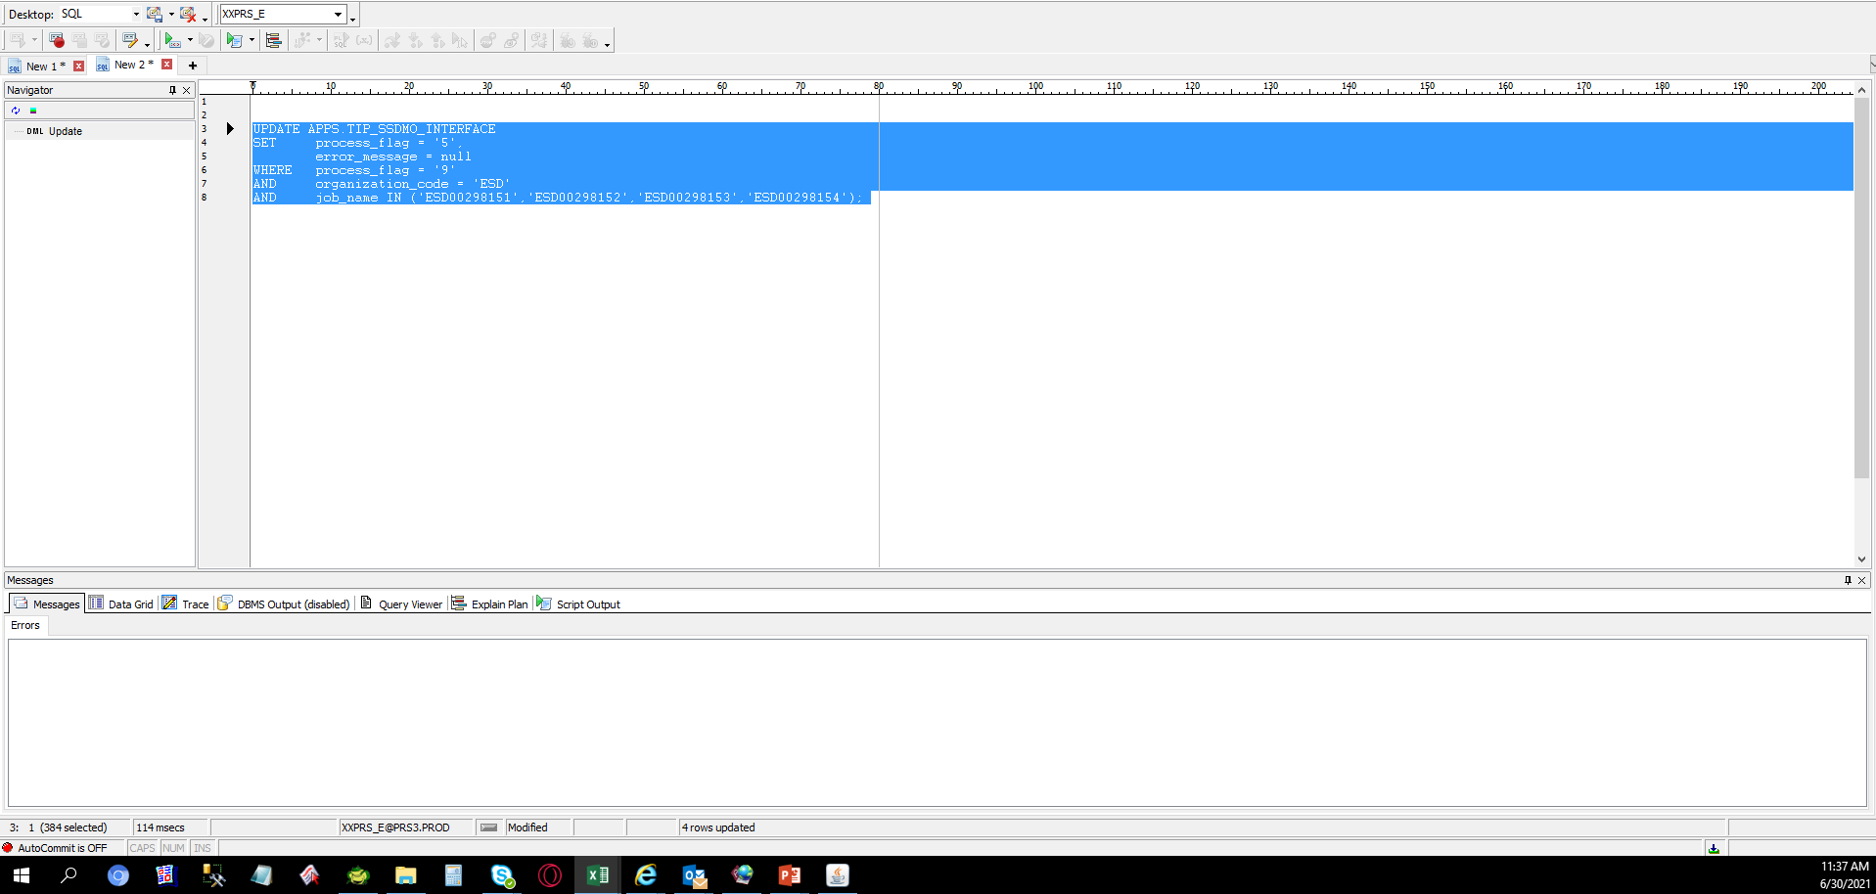
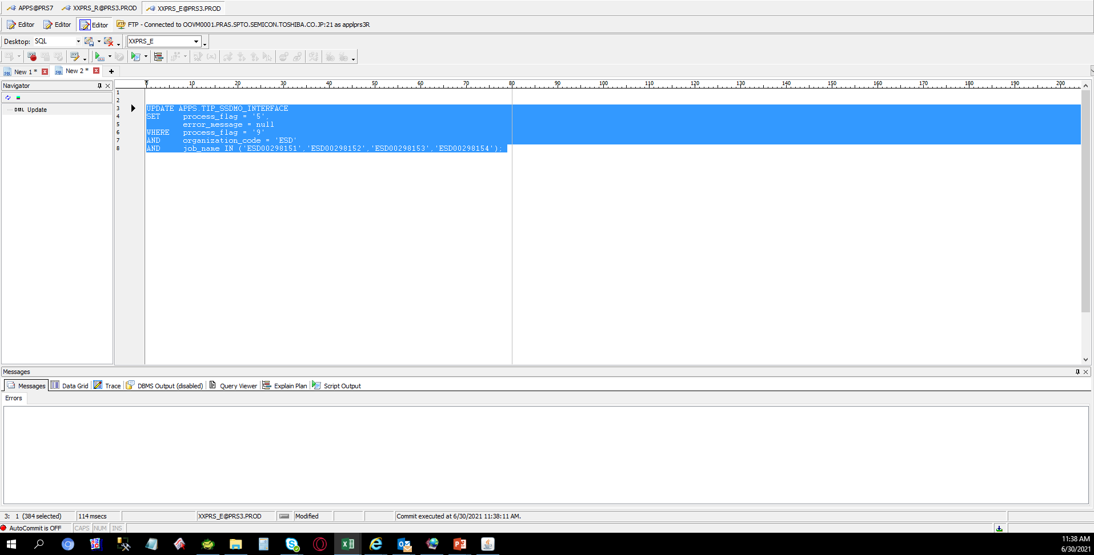
Actual Operation Evidence

 | SELECT *
 | FROM APPS.TIP_SSDMO_INTERFACE
 | WHERE process_flag = '9'
 | AND organization_code = 'ESD'
 | AND job_name IN ('ESD00298151','ESD00298152','ESD00298153','ESD00298154');

 | SOURCE_CODE | ORGANIZATION_CODE | ORGANIZATION_ID | ASSEMBLY_CODE | ASSEMBLY_ID | CLASS_CODE | JOB_NAME | QUANTITY | COMPLETION_DATE | ALTERNATE_ROUTING_DESIGNATOR | ALTERNATE_BOM_DESIGNATOR | ATTRIBUTE1 | ATTRIBUTE2 | ATTRIBUTE3 | ATTRIBUTE4 | ATTRIBUTE5 | ATTRIBUTE6 | ATTRIBUTE7 | ATTRIBUTE8 | ATTRIBUTE9 | ATTRIBUTE10 | CREATION_DATE | UPDATE_DATE | PROCESS_FLAG | ERROR_MESSAGE
 | TIPWIPS020 | ESD | 125 | SDFUS86DAB01TG0T | 3757005 | Standard | ESD00298151 | 210 | 6/29/2021 2:42:18 PM | MPL | MPL | ESDLINE |  |  |  |  |  |  |  |  |  | 6/29/2021 2:42:18 PM | 6/29/2021 2:42:44 PM | 9 | No operation sequence found for (ESD00298151).
 | TIPWIPS020 | ESD | 125 | SDFSU83GEB02T80T | 3709748 | Standard | ESD00298152 | 60 | 6/29/2021 2:42:20 PM | MPL | MPL | ESDLINE |  |  |  |  |  |  |  |  |  | 6/29/2021 2:42:20 PM | 6/29/2021 2:42:44 PM | 9 | No operation sequence found for (ESD00298152).
 | TIPWIPS020 | ESD | 125 | SDFUS85DAB01TE0T | 3757003 | Standard | ESD00298153 | 90 | 6/29/2021 2:42:20 PM | MPL | MPL | ESDLINE |  |  |  |  |  |  |  |  |  | 6/29/2021 2:42:20 PM | 6/29/2021 2:42:44 PM | 9 | No operation sequence found for (ESD00298153).
 | TIPWIPS020 | ESD | 125 | SDFUS84DAB01TC0T | 3756997 | Standard | ESD00298154 | 180 | 6/29/2021 2:42:21 PM | MPL | MPL | ESDLINE |  |  |  |  |  |  |  |  |  | 6/29/2021 2:42:21 PM | 6/29/2021 2:42:44 PM | 9 | No operation sequence found for (ESD00298154).

